Selection tables
 | DC-DC (48 to 12)
 |  | DETAILS |  |  |  | CUSTOMERS REVIEW |  |  |  |  | INPUT |  |  | OUTPUT |  |  |  | POWER |  | EXTRAS |  |  | DOCUMENTATION & SUPPORT
 |  | Component | Image | Referencia | Manufacturer | Plataform | ASIN | Price | Review | Reviewers | Min voltage [V] | Max voltage [V] | Nominal [V] | Min voltage [V] | Max voltage [V] | Nominal [V] | Max Current [A] | Working Power [W] | Max Power [W] | Key pin | Input fuse |  | Datasheet | Support | CAD
 |  |  |  | Yes |  |  |  | $60.00 | 4.5 | 100 | 36 | 60 | 48 | 11.5 | 12.5 | EXACT 12 | 20 | 200 | 250 | Nice to have | Nice to have |  | Yes | Yes | Yes
 |  |  |  | 1 | 0 |  | 0 | -1 | 1 | 1 | -1 | 1 | 0 | 0 | 0 | 0 | 1 | 1 | 1 | 0 | 0
. | INDEX | Component | Image | Referencia | Manufacturer | Plataform | ASIN | Price | Review | Reviewers | Min voltage [V] | Max voltage [V] | Nominal [V] | Min voltage [V]2 | Max voltage [V]3 | Nominal [V]4 | Max Current [A] | Working Power [W] | Max Power [W] | Key pin | Input fuse | Column5 | Datasheet | Support | CAD | PASS | NOTES
__________________ | 1 | Pro Case 180W DC/DC | 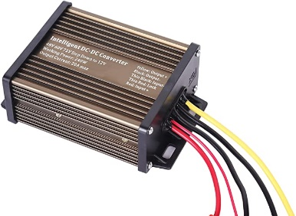 |  | Pro Chaser | Amazon | B07GNTC1D7 | $22.90 | 4.4 | 470 | 48 | 72 | N/A | 11 | 13 | 12 | 15 | Not specified | 180 | 1 | 0 |  | 0 |  | 0 | NO | - No diode in the input of the circuit board it drains a batteri even with the key switch off - End connector not standarized. - Voltage output not stable +-1V
__________________ | 2 | Pro Case 240W DC/DC |  | PC3648-20amp | Pro Chaser | Amazon | B07GNTC1D7 | $22.99 | 4.4 | 481 | 48 | 72 | N/A | 11.5 | 12 | 12 | 20 | Not specified | 240 | 1 | 1 |  | 0 |  | 0 | NO | -No input protections - Works at a higth temperature even at 60% capacity. - Could foail within 2 months (Unstable).
__________________ | 3 | LEDMO 48V |  | B089YBPHM1 | LEDMO | Amazon | B089YBPHM1 | $20.99 | 4.6 | 283 | 48 | 48 | N/A | 12 | 12 | 12 | 20 | Not specified | 240 | 0 | 0 |  | 0 | 1 | GrabCAD | PLAUSIBLE WITH CAUTION | -The 48V coud work well, but some suppliers confuse this model with the 24V version (WARNING!!!) -Test how it works with 37V to check performance with low battery.
__________________ | 4 | ROYKAW |  | E-Z-GO DC-DC | ROYKAW | Amazon | B086C32FK1 | $64.90 | 4.6 | 144 | 36 | 48 | N/A |  | 12 | 12 | 30 | Not specified | 360 | 1 |  |  |  | 1 | 0 | YES
__________________ | 5 | 60A 720W 12v Golf Cart 48V 36V | 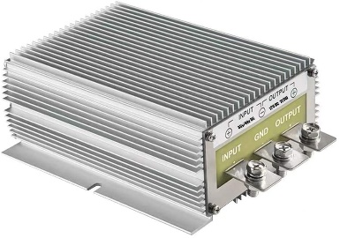 |  |  | Amazon |  | $96.99 | 4.6 | 60 | 36 | 48 | N/A | 12 | 12 | 12 | 60 |  | 720 | 0 | 0 |  |  |  |  | YES
__________________ | 6 | HOMELYLIFE 600W DC 48V 60V | 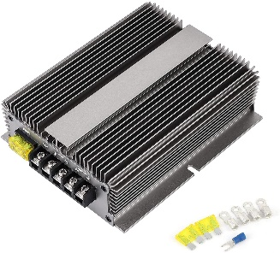 | j48607212GL600E | TOBSUN | Amazon | B08THF63MQ | $95.00 | 4.7 | 2166 | 48 | 72 | N/A | 12 | 12 | 12 | 50 | 600 | 700 | 1 | 1 |  | 0 | 1 | 0 | PLAUSIBLE WITH CAUTION | The equipment description seams to work but all the reviews from this vendor seams to be talking abot a another model.
__________________ | 7
__________________ | 8
__________________ | 9
__________________ | 10 |  |  |  |  |  |  |  |  |  |  |  | N/A |  |  | 12

 | DC MOTOR SPEED CONTROLLES
 |  | DETAILS |  |  |  | CUSTOMERS REVIEW |  |  |  |  | INPUT |  |  | OUTPUT |  |  |  | POWER |  | EXTRAS |  |  | DOCUMENTATION & SUPPORT
 |  | Component | Image | Referencia | Manufacturer | Plataform | ASIN | Price | Review | Reviewers | Min voltage [V] | Max voltage [V] | Nominal [V] | Min voltage [V] | Max voltage [V] | Nominal [V] | Max Current [A] | Working Power [W] | Max Power [W] | Frecuency | Input fuse |  | Datasheet | Support | CAD
 |  |  |  | Yes |  |  |  | $30.00 | 4.5 | 100 | 36 | 60 | 48 | 11.5 | 12.5 | EXACT 12 | 20 | 200 | 250 | Not defined | Nice to have |  | Yes | Yes | Yes
 |  |  |  | 1 | 0 |  | 0 | -1 | 1 | 1 | -1 | 1 | 0 | 0 | 0 | 0 | 1 | 1 | 1 | 1 | 0
Column1 | INDEX | Component | Image | Referencia | Manufacturer | Plataform | ASIN | Price | Review | Reviewers | Min voltage [V] | Max voltage [V] | Nominal [V] | Min voltage [V]2 | Max voltage [V]3 | Nominal [V]4 | Max Current [A] | Working Power [W] | Max Power [W] | Frecuency | Input fuse | Column5 | Datasheet | Support | CAD | PASS | NOTES
__________________ | 1 | KLC Universal DC Motor speed controller |  | Keenso98thg1qemx | Keenso | Amazon | B07R3BMPHF | $30.57 | 3.4 | 16 | 6 | 90 | N/A | 6 | 90 | N/A | 15 |  | 1000 | 16KHz |  |  | 0 | 1 |  | YES | -Input protection Aftersale service
__________________ | 2 | DC- 6-60V | 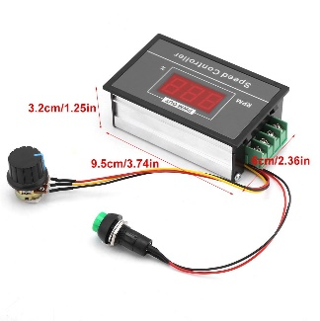 |  |  | Amazon | B078TC25LS | $23.46 | 4.2 | 115 | 6 | 60 | N/A | 6 | 60 | N/A | 30 |  |  | yes no specified |  |  | 0 | 0 | 0 | PLAUSIBLE
__________________ | 3 | Centaurus DC Motor controller | 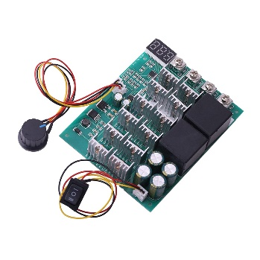 |  | CE CENTAURUS ELECTRONICS | Amazon | B09FXCJP47 | $28.99 | N/A | N/A | 10 | 55 | N/A |  |  | N/A | 60 |  |  | 15KHz |  |  | 1 |  | 0 |  | - from Tajikistan
__________________ | 4 | Stepless DC motor controller | 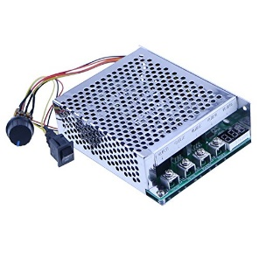 | 2126efef26m357 |  | Amazon | B01M5F5UDS | $27.99 | 4 | 131 | 10 | 55 | N/A | 12 | 48 | N/A | 60 | 2500 | 4800 |  |  |  | 0 | 0 | Generic enclosure GrabCAD | PLAUSIBLE WITH CAUTION | - No vendor support. - No instructions included. -Check the working and the max power (thos numbers doesent seams ral).
__________________ | 5 | L&Z DC Motor | 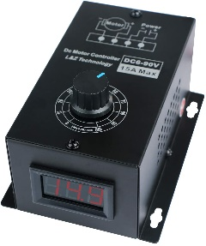 |  |  | Amazon |  | $29.00 | 4 | 9 | 6 | 90 | N/A | 6 | 90 | N/A | 15 |  | 1000 |  |  |  | 0 | 1 | 0 | YES | - 8A recommended working current. -15A max current
__________________ | 6 | GSD1-48-20C | 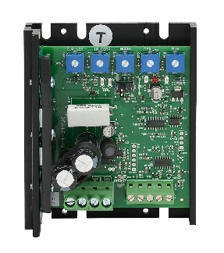 | GSD1-48-20C | IRONHORSE | Automation Direct |  | $208.00 | No info | 0 | 12 | 48 | N/A | 12 | 48 | N/A | 20 |  |  | 18KHz | 0 |  | 1 |  | AutomationDirect | YES
__________________ | 7 | EM-282C-48V | 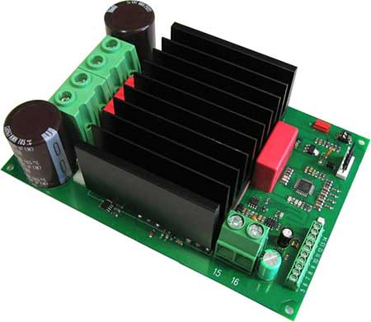 | EM-282C-48V |  |  |  | requires quote | no info | no info | 24 | 48 | N/A | 24 | 48 | N/A | 80 |  |  | 2KHz-16KHz | 0 |  | 1 | 1 | 0 | YES
__________________ | 8 |  |  |  |  |  |  |  |  |  |  |  | N/A |  |  | N/A
__________________ | 9 |  |  |  |  |  |  |  |  |  |  |  | N/A |  |  | N/A
__________________ | 10 |  |  |  |  |  |  |  |  |  |  |  | N/A |  |  | N/A

 | Power switch actuator (Relay VS SSR)
 |  | DETAILS |  |  |  | CUSTOMERS REVIEW |  |  |  |  | INPUT (COIL) |  |  | OUTPUT |  |  |  | POWER |  | EXTRAS |  |  | DOCUMENTATION & SUPPORT
 |  | Component | Image | Referencia | Manufacturer | Plataform | ASIN | Price | Review | Reviewers | Min voltage [V] | Max voltage [V] | Nominal [V] | Min voltage [V] | Max voltage [V] | Nominal [V] | Max Current [A] | Working Power [W] | Max Power [W] | Key pin | Input fuse |  | Datasheet | Support | CAD
 |  |  |  | Yes |  |  |  | $60.00 | 4.5 | 100 | 36 | 60 | 48 | 11.5 | 12.5 | EXACT 12 | 20 | 200 | 250 | Nice to have | Nice to have |  | Yes | Yes | Yes
 |  |  |  | 1 | 0 |  | 0 | -1 | 1 | 1 | -1 | 1 | 0 | 0 | 0 | 0 | 1 | 1 | 1 | 0 | 0
. | INDEX | Component | Image | Referencia | Manufacturer | Plataform | ASIN | Price | Review | Reviewers | Min voltage [V] | Max voltage [V] | Nominal [V] | Min voltage [V]2 | Max voltage [V]3 | Nominal [V]4 | Max Current [A] | Working Power [W] | Max Power [W] | SSR | Column2 | Column3 | Datasheet | Support | CAD | PASS | NOTES
__________________ | 1 | CG Solid State Relay SSR-100DD | 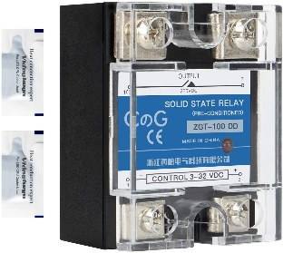 |  |  | Amazon |  |  |  |  |  |  | N/A |  |  | N/A |  | N/A |  | 1 |  |  |  |  |  | YES
__________________ | 2 | CG Solid State Relay SSR-100DD | 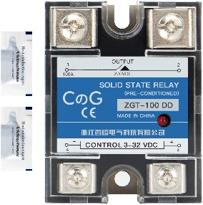 |  |  | Amazon |  | $16.90 | 4 | 119 |  |  | N/A |  |  | N/A |  | N/A |  | 1 |  |  |  |  |  | YES
__________________ | 3 | TWTADE SSR-40 DD 40A DC 3-32V to DC 5-60V SSR Solid State Relay | 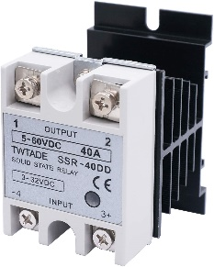 |  |  | Amazon |  | $16.90 | 4.4 | 320 | 3 | 32 | 24 |  |  | N/A |  | N/A |  | 1 |  |  |  |  |  | YES
__________________ | 4 | Migro 40 Amp 2 Pole NEMA 600V HVAC Heavy Duty |  |  |  | Amazon |  | $21.99 | 4.6 | 35 |  |  | 24 | 0 |  | N/A | 50 | N/A |  | 0 |  |  |  |  |  | YES
__________________ | 5 | Household Contactor, AC Contactor 4NO | 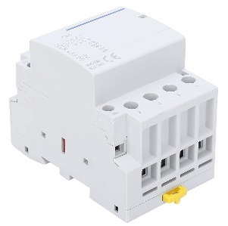 | BCH8-E63/40 | THINCOL | Amazon |  | $34.88 | 4 | 1 | 12 | 100 | N/A | 0 |  | N/A | 100 | N/A | 4000 | 0 |  |  | 1 | 1 | 1 | YES | -Rail DIN -Stable and reliable. -Price could be lower.
__________________ | 6
__________________ | 7
__________________ | 8
__________________ | 9
__________________ | 10

